UI
title | 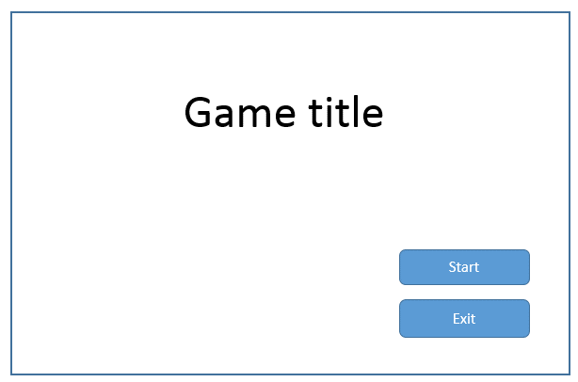 | 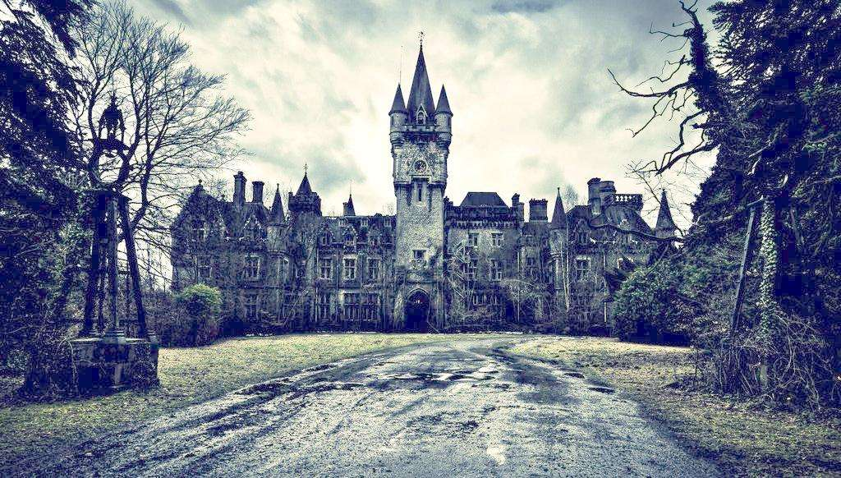
level select | 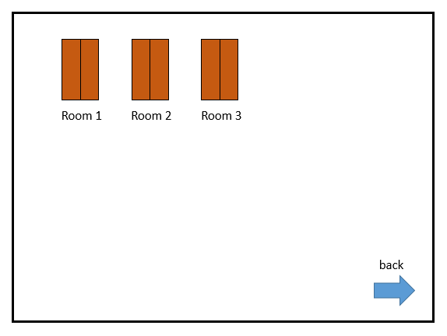 | 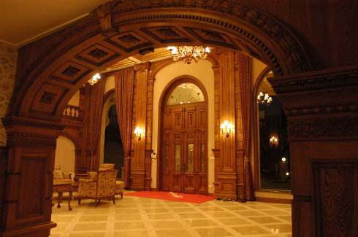
game over | 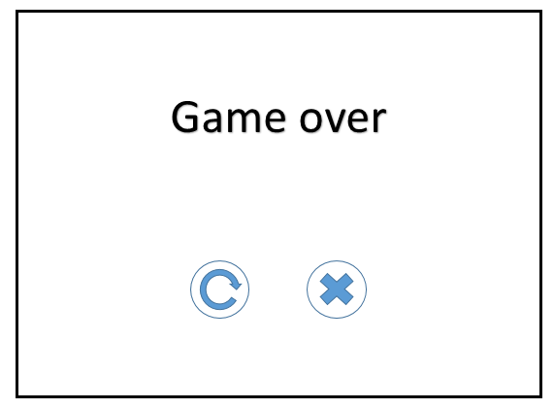

Character
main character | reference | feature | action
baby vampire | 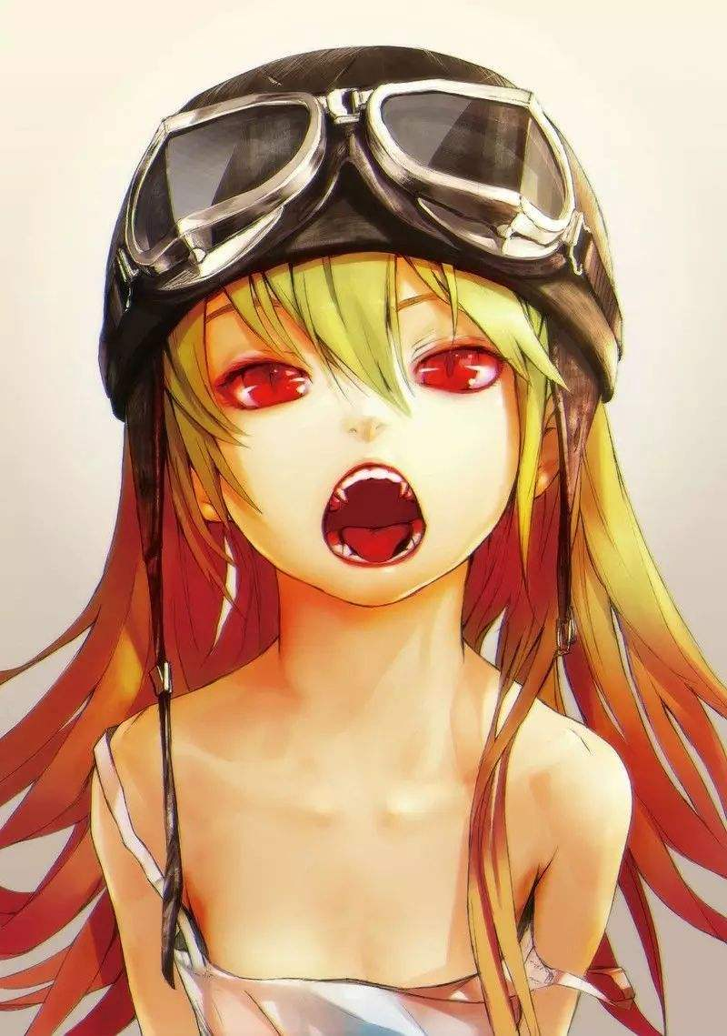 | clumsy and lovable not waking up | 1.walk 2.turn 3.cry(hurt by light and disappear)

Scene
game play scene | Scene style
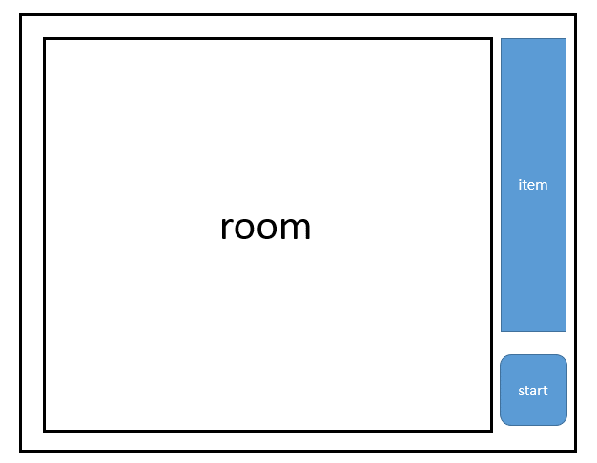 | 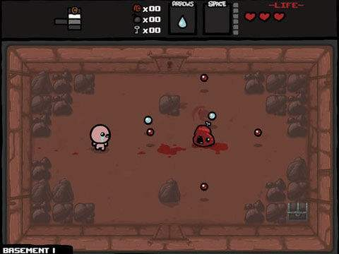
game play room is should be square,because our game room is NxN area

Element
Class | Content | 描述
机关 | 土刺 | room is topdown vision must be square material of floor is stone | 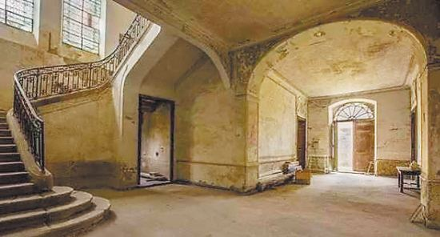
 | 光 | the start of light is a hole picture on the wall light is express by a stretchable pictures |  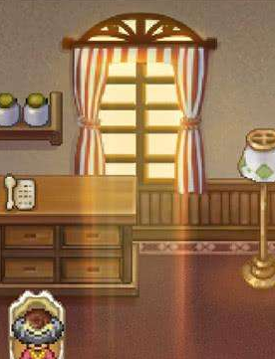
 | 开关 | 陷阱的开关，类似以光能吸收塔
 | 书柜 | the dresser can reflect the sunlight from the ceiling, looks like dresser can be start of the light | 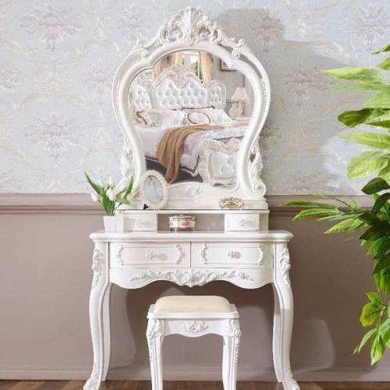 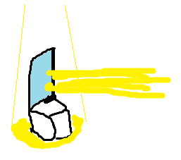
道具 | 遮挡物 | a wooden box can block light | 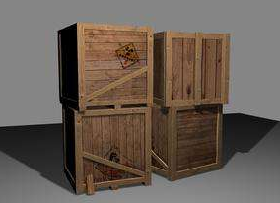
 | 方向标 | a wooden post, there is four kind of direction arrow on it | 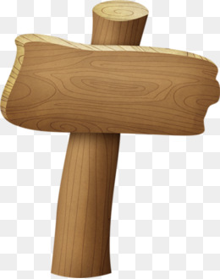
 | 镜子 | topdown vision of mirror item | 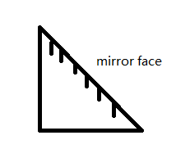
背景 | 房间风格 | 吸收光能的充能宝石塔
 | 床 | bed (start of baby) | 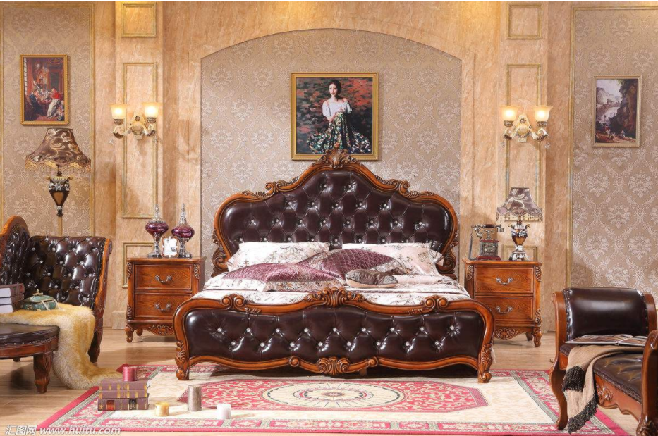
 | 椅子 | chair (to be block, 1X1 size) | 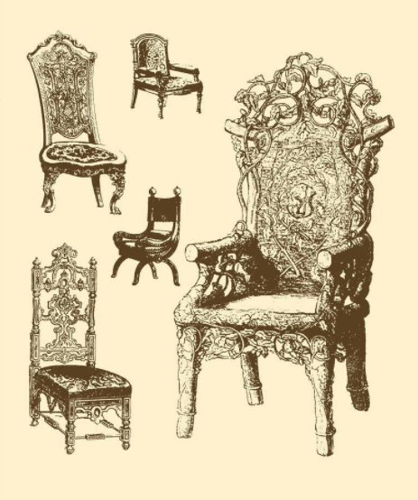
 | 书桌 & 散落的书 | a pile of books(to be block, 1X1 size) | 
 | 蜘蛛网 | 扣题古老的城堡，粘黏在角落 | 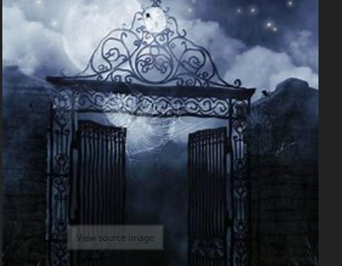
 | 熄灭的挂灯 | 掉落在角落的熄灭挂灯 | 
 | 蜡烛 | 烧尽的蜡烛，侧面烘托游戏气氛 | 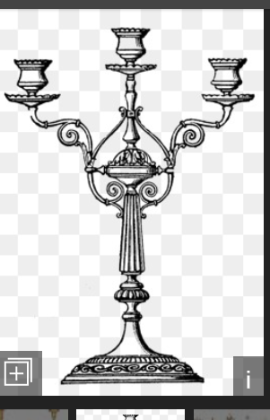

Sheet1
